GEAR POS SHEET
SU16
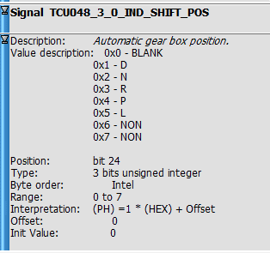

SU16 |  |  |  | TOYOTA C-HR
MSG | ID | SIGNAL | VALUES | MSG | ID | SIG
TCU048 | 48 | TCU048_3_0_IND_SHIFT_POS | 0x0 | ECT1S92 | 3BC | -
 |  |  | 0x1 |  |  | B_D
 |  |  | 0x2 |  |  | B_N
 |  |  | 0x3 |  |  | B_R
 |  |  | 0x4 |  |  | B_P
 |  |  | 0x5 |  |  | B_B
 |  |  | 0x6 |  |  | -
 |  |  | 0x7 |  |  | -

CRC CALC
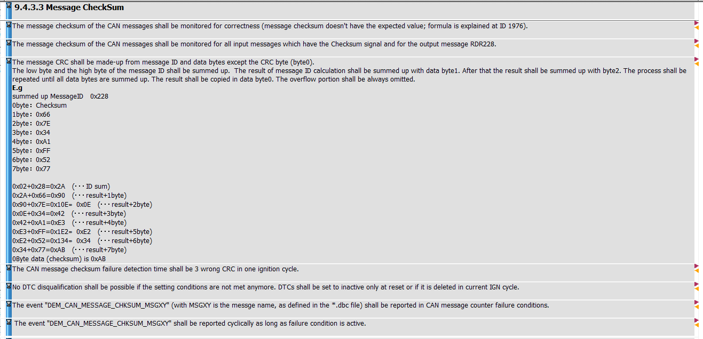
Refer rest-bus CAPL script

